READ_ME
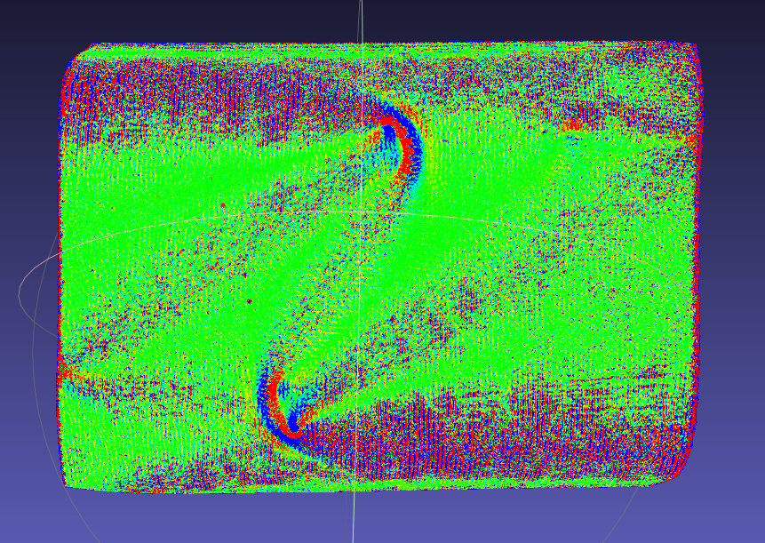
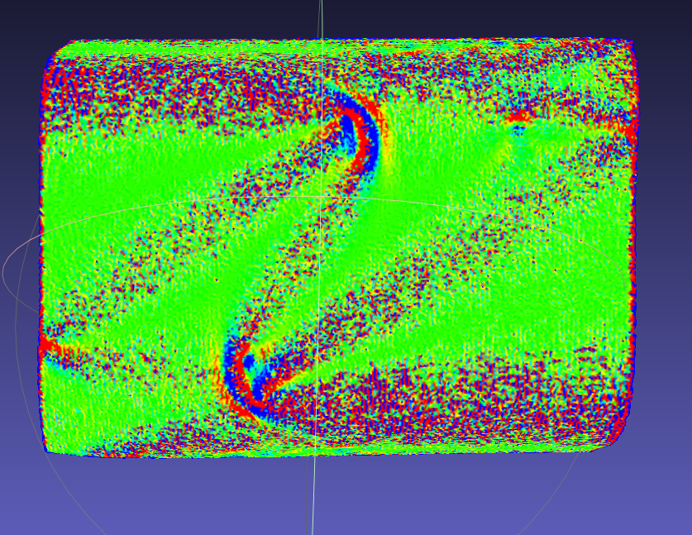
this workbook does X

5insphere
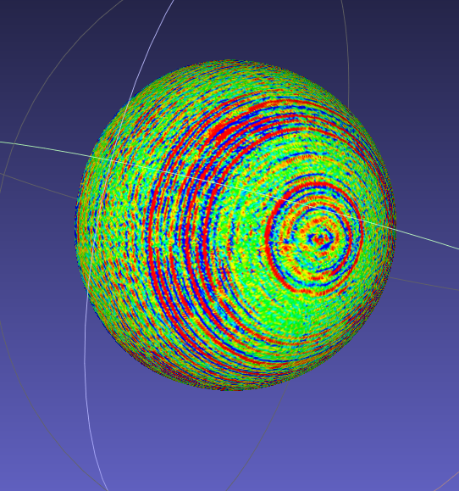
Theoretical curvatue | 0.000248
 | STL | 50% sampled | 30% sampled | 10% sampled
Average Gaussian Curvature | 2.49E-04 | 2.52E-04 | 2.51E-04 | 2.51E-04
% error | 0.36693548387 | 1.4153225806 | 1.1451612903 | 1.1129032258
Standard Devation | 2.50E-04 | 2.08E-04 | 1.65E-04 | 9.80E-05
Relative Deviation | 100.36961151 | 82.740248897 | 65.906553979 | 39.092758016
Filtered Average Gaussian Curvature | 2.48E-04 | 2.50E-04 | 2.50E-04 | 2.50E-04

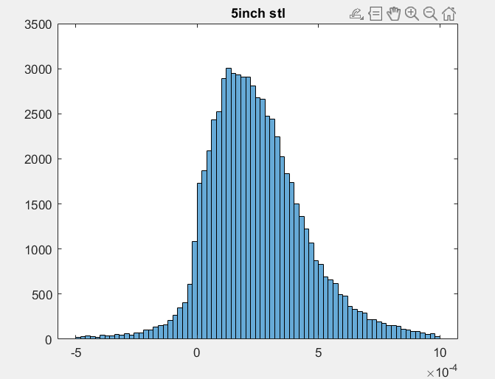
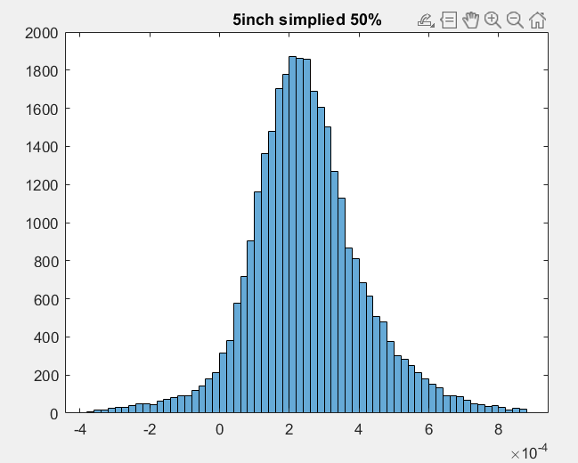
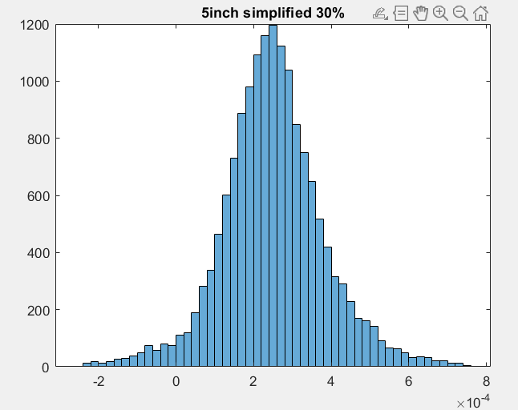
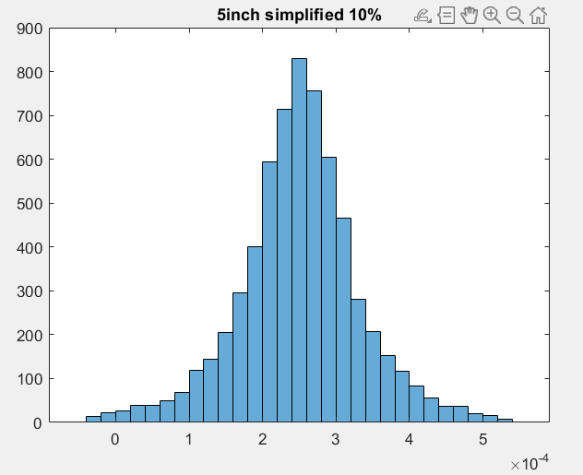

 |  |  |  |  |  | simplied 50%

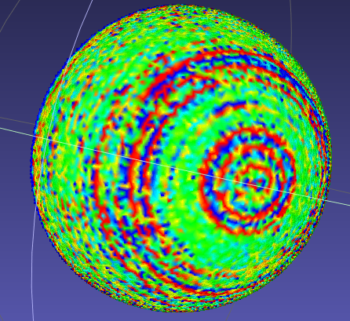
Calculated gaussian curvature with the STL file |  |  |  |  | Gaussian curvature of the same file but resampled to 10% of original size

